Sheet1
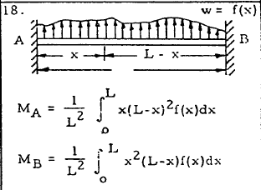
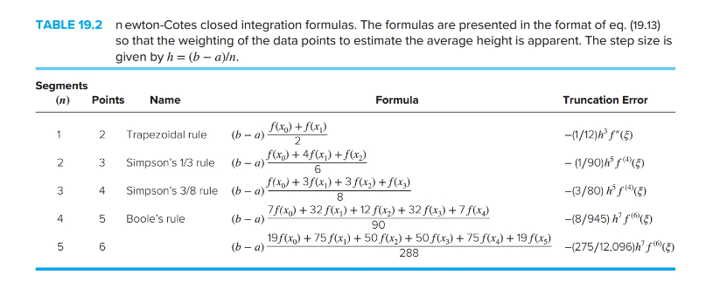
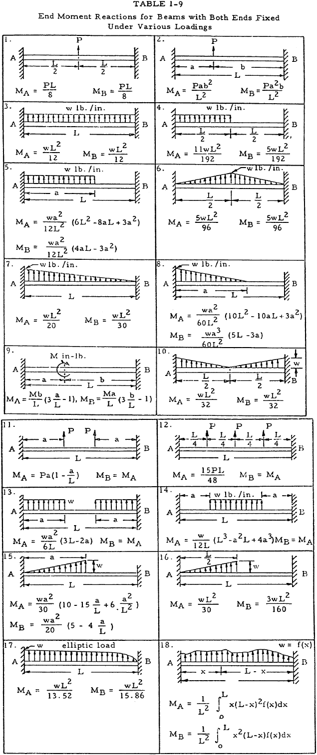
L | 5 | m
a | 1 | m
wa | 3 | kN/m
b | 3 | m
wb | 4 | kN/m

m | 0.5 | kN/m2
b-a | 2 | m

Trapezoidal

Trapezoidal |  |  |  | Simpson 1/3 |  |  |  | Boole's

i | x | fA(x) | fB(x) | i | x | fA(x) | fB(x) | i | x | fA(x) | fB(x)
0 | 1 | 48 | 12 | 0 | 1.000 | 48.000 | 12.000 | 0 | 1.000 | 48.000 | 12.000
1 | 3 | 48 | 72 | 1 | 2.000 | 63.000 | 42.000 | 1 | 1.500 | 59.719 | 25.594
 |  |  |  | 2 | 3.000 | 48.000 | 72.000 | 2 | 2.000 | 63.000 | 42.000
 |  | MA | MB |  |  |  |  | 3 | 2.500 | 58.594 | 58.594
 |  | 96 | 84 |  |  | MA | MB | 4 | 3.000 | 48.000 | 72.000
 |  |  |  |  |  | 4.64 | 3.36
 |  |  |  |  |  |  |  |  |  | MA | MB
 |  |  |  | Simpson 3/8 |  |  |  |  |  | 4.6346666667 | 3.3653333333
6.25
 |  |  |  | i | x | fA(x) | fB(x) | i | x | fA(x) | fB(x)
 |  |  |  | 0 | 1.000 | 48.000 | 12.000 | 0 | 1.000 | 48.000 | 12.000
 |  |  |  | 1 | 1.667 | 61.728 | 30.864 | 1 | 1.400 | 58.061 | 22.579
 |  |  |  | 2 | 2.333 | 60.840 | 53.235 | 2 | 1.800 | 62.669 | 35.251
 |  |  |  | 3 | 3.000 | 48.000 | 72.000 | 3 | 2.200 | 62.093 | 48.787
 |  |  |  |  |  |  |  | 4 | 2.600 | 56.909 | 61.651
 |  |  |  |  |  | MA | MB | 5 | 3.000 | 48.000 | 72.000
 |  |  |  |  |  | 4.637037037 | 3.362962963
 |  |  |  |  |  |  |  |  |  | MA | MB
 |  |  |  |  |  |  |  |  |  | 4.6346666667 | 3.3653333333

